Sheet1
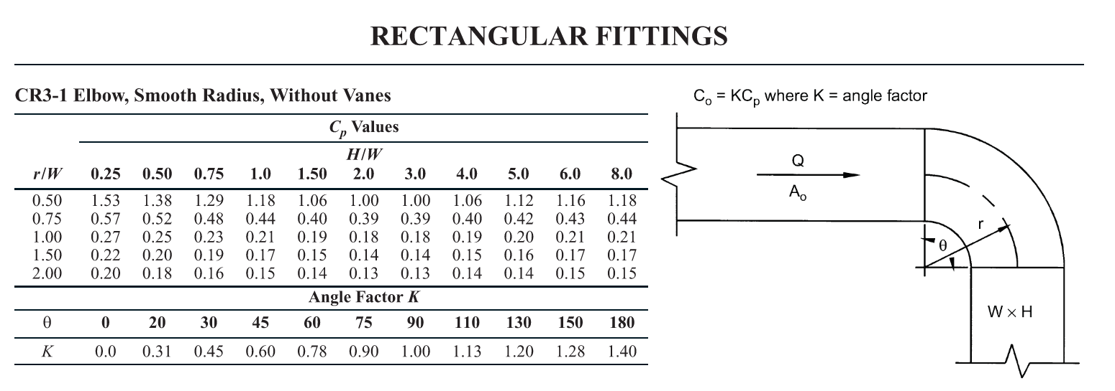
Name of the Line | Type of the line | Lentgh (Ft') | Friction Rate | Duct Width (W) | Centerline Radius of the Elbow | Duct height | Bend radius ratio (R/W) | H/W ratio | Velocity (FPM) | C (Loss Coefficient) (From Table CR3-1) | Pressure Drop (in. of Wg)
A1 | Straight | 30.00 | 0.080 | 6.00 | 9.00 | 3.00 | 1.500 | 0.500 | 680 | 1.29 | 0.0240
A2 | Elbow | 0.00 | 0.080 | 4.00 | 8.00 | 4.00 | 2.000 | 1.000 | 425 | 1.18 | 0.0133
B1 | Straight | 0.00 | 0.000 | 1.00 | 6.50 | 0.00 | 6.500 | 0.000 | 585 | 0.25 | 0.0000
B2 | Elbow | 0.00 | 0.000 | 1.00 | 6.50 | 0.00 | 6.500 | 0.000 | 585 | 0.25 | 0.0053
B3 | Elbow | 0.00 | 0.000 | 1.00 | 6.50 | 0.00 | 6.500 | 0.000 | 585 | 0.25 | 0.0053
B4 | Elbow | 0.00 | 0.000 | 1.00 | 6.50 | 0.00 | 6.500 | 0.000 | 585 | 0.25 | 0.0053
B5 | Elbow | 0.00 | 0.000 | 1.00 | 6.50 | 0.00 | 6.500 | 0.000 | 585 | 0.25 | 0.0053
B6 | Elbow | 0.00 | 0.000 | 1.00 | 6.50 | 0.00 | 6.500 | 0.000 | 585 | 0.25 | 0.0053
B7 | Elbow | 0.00 | 0.000 | 1.00 | 6.50 | 0.00 | 6.500 | 0.000 | 585 | 0.25 | 0.0053
B8 | Elbow | 0.00 | 0.000 | 1.00 | 6.50 | 0.00 | 6.500 | 0.000 | 585 | 0.25 | 0.0053
B9 | Elbow | 0.00 | 0.000 | 1.00 | 6.50 | 0.00 | 6.500 | 0.000 | 585 | 0.25 | 0.0053
B10 | Elbow | 0.00 | 0.000 | 1.00 | 6.50 | 0.00 | 6.500 | 0.000 | 585 | 0.25 | 0.0053
B11 | Elbow | 0.00 | 0.000 | 1.00 | 6.50 | 0.00 | 6.500 | 0.000 | 585 | 0.25 | 0.0053
B12 | Elbow | 0.00 | 0.000 | 1.00 | 6.50 | 0.00 | 6.500 | 0.000 | 585 | 0.25 | 0.0053
B13 | Elbow | 0.00 | 0.000 | 1.00 | 6.50 | 0.00 | 6.500 | 0.000 | 585 | 0.25 | 0.0053
B14 | Elbow | 0.00 | 0.000 | 1.00 | 6.50 | 0.00 | 6.500 | 0.000 | 585 | 0.25 | 0.0053
B15 | Elbow | 0.00 | 0.000 | 1.00 | 6.50 | 0.00 | 6.500 | 0.000 | 585 | 0.25 | 0.0053
B16 | Elbow | 0.00 | 0.000 | 1.00 | 6.50 | 0.00 | 6.500 | 0.000 | 585 | 0.25 | 0.0053
B17 | Elbow | 0.00 | 0.000 | 1.00 | 6.50 | 0.00 | 6.500 | 0.000 | 585 | 0.25 | 0.0053
B18 | Elbow | 0.00 | 0.000 | 1.00 | 6.50 | 0.00 | 6.500 | 0.000 | 585 | 0.25 | 0.0053
B19 | Elbow | 0.00 | 0.000 | 1.00 | 6.50 | 0.00 | 6.500 | 0.000 | 585 | 0.25 | 0.0053
B20 | Elbow | 0.00 | 0.000 | 1.00 | 6.50 | 0.00 | 6.500 | 0.000 | 585 | 0.25 | 0.0053
B21 | Elbow | 0.00 | 0.000 | 1.00 | 6.50 | 0.00 | 6.500 | 0.000 | 585 | 0.25 | 0.0053
B22 | Elbow | 0.00 | 0.000 | 1.00 | 6.50 | 0.00 | 6.500 | 0.000 | 585 | 0.25 | 0.0053
B23 | Elbow | 0.00 | 0.000 | 1.00 | 6.50 | 0.00 | 6.500 | 0.000 | 585 | 0.25 | 0.0053
B24 | Elbow | 0.00 | 0.000 | 1.00 | 6.50 | 0.00 | 6.500 | 0.000 | 585 | 0.25 | 0.0053
B25 | Elbow | 0.00 | 0.000 | 1.00 | 6.50 | 0.00 | 6.500 | 0.000 | 585 | 0.25 | 0.0053
B26 | Elbow | 0.00 | 0.000 | 1.00 | 6.50 | 0.00 | 6.500 | 0.000 | 585 | 0.25 | 0.0053
B27 | Elbow | 0.00 | 0.000 | 1.00 | 6.50 | 0.00 | 6.500 | 0.000 | 585 | 0.25 | 0.0053
B28 | Elbow | 0.00 | 0.000 | 1.00 | 6.50 | 0.00 | 6.500 | 0.000 | 585 | 0.25 | 0.0053

